Sheet1
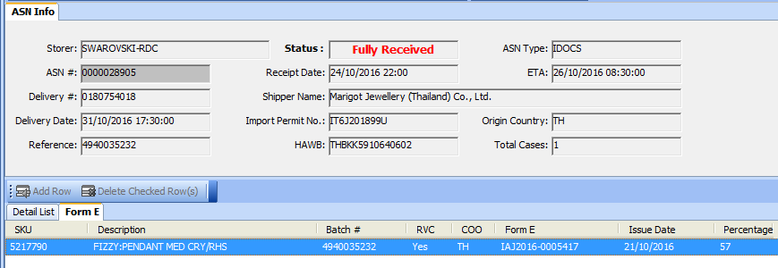
sku | skudescr | importno | recdate | informe | batch | orgqty | shipoutqty | balance
5217790 | FIZZY:PENDANT MED CRY/RHS | IT6J201899U | 24.10.2016 | IAJ2016-0005417 | 4940035232 | 20 | 0 | 20
5217790 | FIZZY:PENDANT MED CRY/RHS | IT6J201899U | 24.10.2016 | IAJ2016-0005417 | 4940035232 | 20 | 20 | 0
5217792 | FIZZY:RING SET CRY/RHS 55 | IT6J201899U | 24.10.2016 | IAJ2016-0005418 | 4940035233 | 20 | 0 | 20
5217792 | FIZZY:RING SET CRY/RHS 55 | IT6J201899U | 24.10.2016 | IAJ2016-0005418 | 4940035233 | 20 | 20 | 0
5230280 | FIZZY:PENDANT SML CRY/RHS | IT6J201899U | 24.10.2016 | IAJ2016-0005418 | 4940035233 | 20 | 0 | 20
5230280 | FIZZY:PENDANT SML CRY/RHS | IT6J201899U | 24.10.2016 | IAJ2016-0005418 | 4940035233 | 20 | 20 | 0
5230281 | FIZZY:SET MED CRY/RHS | IT6J201899U | 24.10.2016 | IAJ2016-0005418 | 4940035233 | 20 | 0 | 20
5230281 | FIZZY:SET MED CRY/RHS | IT6J201899U | 24.10.2016 | IAJ2016-0005418 | 4940035233 | 20 | 20 | 0
5230287 | FIZZY:PE JCKT CRY/RHS | IT6J201899U | 24.10.2016 | IAJ2016-0005418 | 4940035233 | 20 | 0 | 20
5230287 | FIZZY:PE JCKT CRY/RHS | IT6J201899U | 24.10.2016 | IAJ2016-0005418 | 4940035233 | 20 | 20 | 0
5257483 | FIZZY:RING SET CRY/RHS 52 | IT6J201899U | 24.10.2016 | IAJ2016-0005418 | 4940035233 | 20 | 0 | 20
5257483 | FIZZY:RING SET CRY/RHS 52 | IT6J201899U | 24.10.2016 | IAJ2016-0005418 | 4940035233 | 20 | 20 | 0

